Table 1

Selected Acquisition Report (SAR)
RCS: DD-A&T(Q&A)823-387
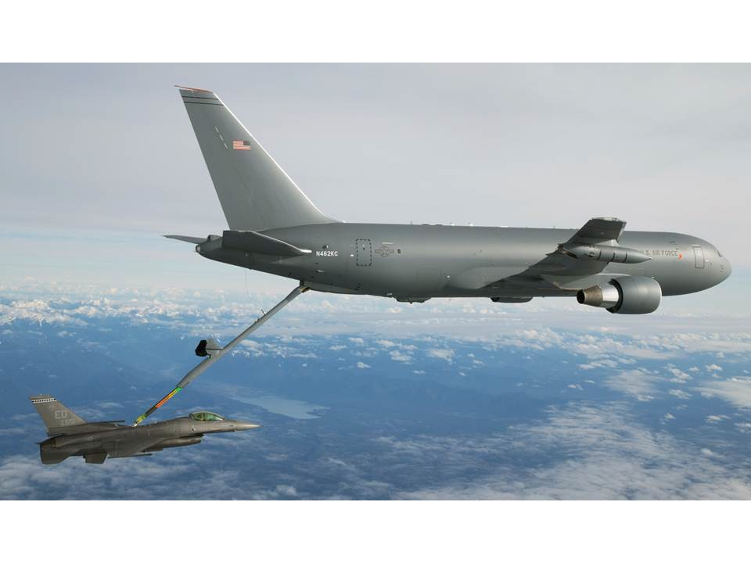
KC-46A Tanker Modernization (KC-46A)
As of FY 2017 President's Budget
Defense Acquisition Management Information Retrieval
(DAMIR)

Table 37
Unit Cost History
Item |  |  |  |  |  | Date |  |  |  |  | BY 2011 $M |  |  |  |  |  |  | TY $M
 |  |  |  |  |  |  |  |  |  |  | PAUC |  | APUC |  |  |  |  | PAUC |  |  | APUC

Original APB |  |  | Aug 2011 |  |  |  |  |  |  |  | 243.118 |  |  | 188.802 |  |  |  |  | 288.828 |  |  | 229.920
APB as of January 2006 |  |  | N/A |  |  |  |  |  |  |  | N/A |  |  | N/A |  |  |  |  | N/A |  |  | N/A
Revised Original APB |  |  | N/A |  |  |  |  |  |  |  | N/A |  |  | N/A |  |  |  |  | N/A |  |  | N/A
Prior APB |  |  | N/A |  |  |  |  |  |  |  | N/A |  |  | N/A |  |  |  |  | N/A |  |  | N/A
Current APB |  |  | Aug 2011 |  |  |  |  |  |  |  | 243.118 |  |  | 188.802 |  |  |  |  | 288.828 |  |  | 229.920
Prior Annual SAR |  |  | Dec 2014 |  |  |  |  |  |  |  | 225.075 |  |  | 179.057 |  |  |  |  | 273.237 |  |  | 222.882
Current Estimate |  |  | Dec 2015 |  |  |  |  |  |  |  | 223.129 |  |  | 179.263 |  |  |  |  | 269.341 |  |  | 221.514
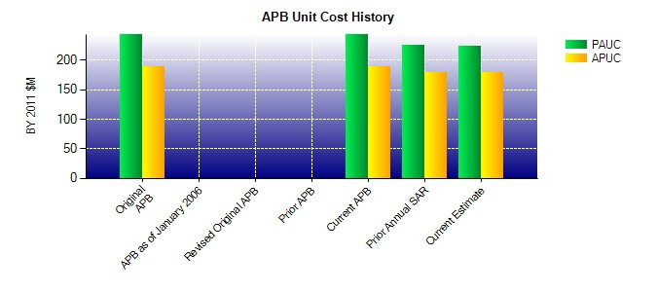
SAR Unit Cost History
Current SAR Baseline to Current Estimate (TY $M)
Initial PAUC Development Estimate | Changes |  |  |  |  |  |  |  |  |  |  |  |  |  |  |  |  |  |  | PAUC Current Estimate
 | Econ | Qty |  | Sch |  |  | Eng |  | Est |  |  | Oth |  | Spt |  | Total
288.828 3.866 0.000 -0.009 0.000 -14.838 0.000 -8.506 -19.487 269.341
Current SAR Baseline to Current Estimate (TY $M)
Initial APUC Development Estimate | Changes |  |  |  |  |  |  |  |  |  |  |  |  |  |  |  |  |  |  | APUC Current Estimate
 | Econ | Qty |  |  | Sch |  |  | Eng |  | Est |  | Oth |  |  | Spt |  | Total
229.920 3.339 0.000 -0.010 0.000 -3.063 0.000 -8.672 -8.406 221.514

